Performance
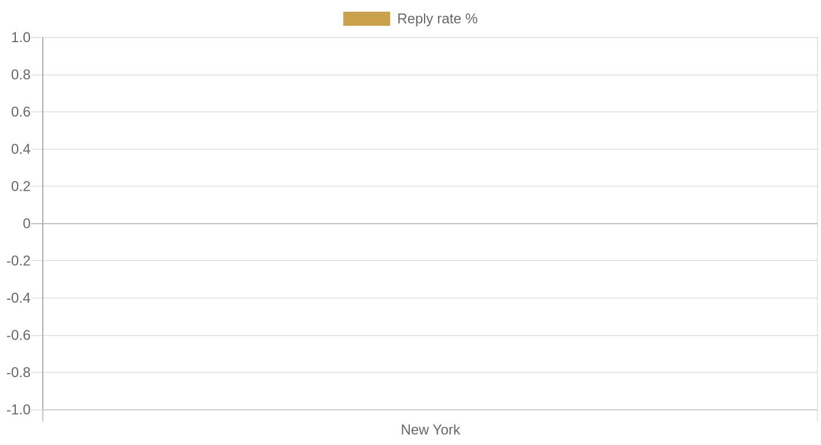
Safi Ventures — Outreach Performance

Total contacted | 9
Total replied | 0
Overall reply rate | 0.0%

Best performing segment: "local_business" | 0.0% | 0/9 replied

By segment
Value | Sent | Replied | Reply rate
local_business | 9 | 0 | 0.0%

By city
Value | Sent | Replied | Reply rate
New York | 9 | 0 | 0.0%

By category
Value | Sent | Replied | Reply rate
bakery | 8 | 0 | 0.0%
french_restaurant | 1 | 0 | 0.0%

